Directions
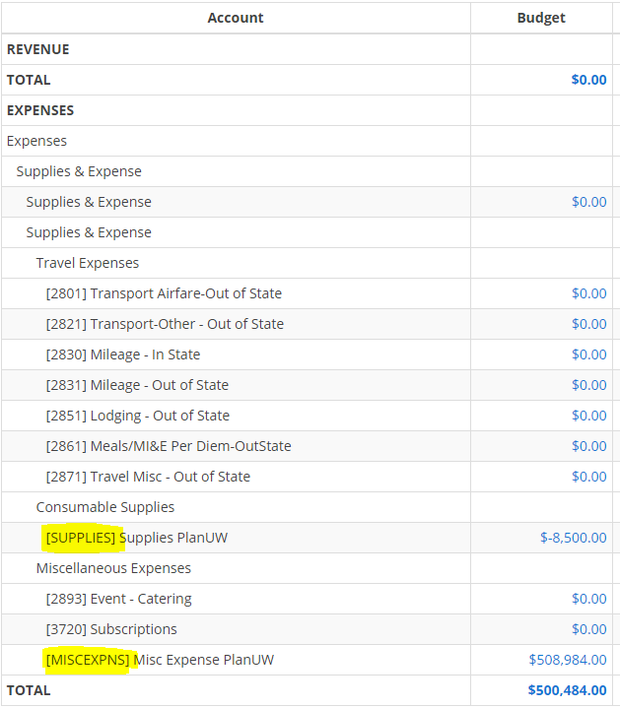
The Systemwide Budget Transfer Form is used to process transfers of budget authority between Institutions. Transfers are done using institutions' clearing accounts when departmental funding is unknown. Each institution is responsible for funding the clearing account and re-allocating funds from the clearing account to where the transfer should reside when departmental funding is unknown.

Date: | Required Field | Enter the date of the transfer request. (Please note the WISER journal date is the actual SFS entry date rather than the date on this form.)
Individual Requesting the Budget Transfer: | Required Field | Enter the name of the person who is responsible for the transfer request.
Individual Completing BT Request: | Required Field | Enter the name of the person who is responsible for completing the transfer request.
Phone Number: | Required Field | Enter the phone number of the person completing this form.
Transfer No.: | Do not use | Financial Administration assigns the budget transfer number which also becomes the SFS Journal ID.
Fiscal Year: | Required Field | The fiscal year the budget transfer should be entered into. The current fiscal year is typically entered, however, designation of current or future fiscal year is especially important closer to year end. Budget transfers are not processed for prior fiscal years.
Transfer From: | Required Field | Institution transferring the budget funding (ex. MSN)
Transfer To: | Required Field | Institution receiving the budget funding (ex. SUP)
Account | Required Field | To determine the correct PlanUW account, query WISER using the Fund and Dept ID - see screenshot on the right. Use one of major class categories below. Each institution can then transfer to a more granular account level. FACSALARY (Unclassified) UNSTFSAL (Classifed) LTE_SALRY FRINGES SUPPLIES DEBTSERV MISCEXPNS SPECLPURP Do not use old budget accounts without "PlanUW" description.
Fund | Required Field | If the fund is known use, the correct fund. If unknown, use the three-digit clearing Fund code from the "Clearing Accounts" tab (e.g., 101, 102, 103, etc.).
Dept | Required Field | When department is known, use the department for the transfer, if not - use the six-digit department ID from the "Clearing Accounts" tab (e.g., 98-8900, 12-9900).
Program | Required Field | Look up in WISER the one-digit program number for the Dept ID. (ex. 1, 4)
Project | Required Field | Look up in WISER the project if there is a project, if no project, leave blank.
Sub-Class | Required Field except for MSN; STP and COL | Use BT_01 for one-time transfers; BT_02 for base adjustment
Amount | Required Field | The total dollar amount for the transfer.
Explanation: | Required Field | Explain the reason for the budget transfer, listing any award name, title etc. as well as the individual responsible for the funding at the receiving institution.

Clearing Accounts
Clearing accounts for UW Funds comprising DOA Appropriation 11100 |  |  |  | To look up clearing accounts for other UW Funds:
 |  |  |  | Setup Financials/Supply Chain>Common Definitions>Design Chartfields>Combination Editing>Review Combination Data
 |  |  |  | Search using Dept ID on the left
 |  |  |  | Enter "100" for Max Rows Displayed
 |  |  |  | Page down using the arrows to get to the fund to be used for the budget transfer
 |  |  |  | If a clearing account does not exist for a particular fund, set one up prior to requesting the transfer.
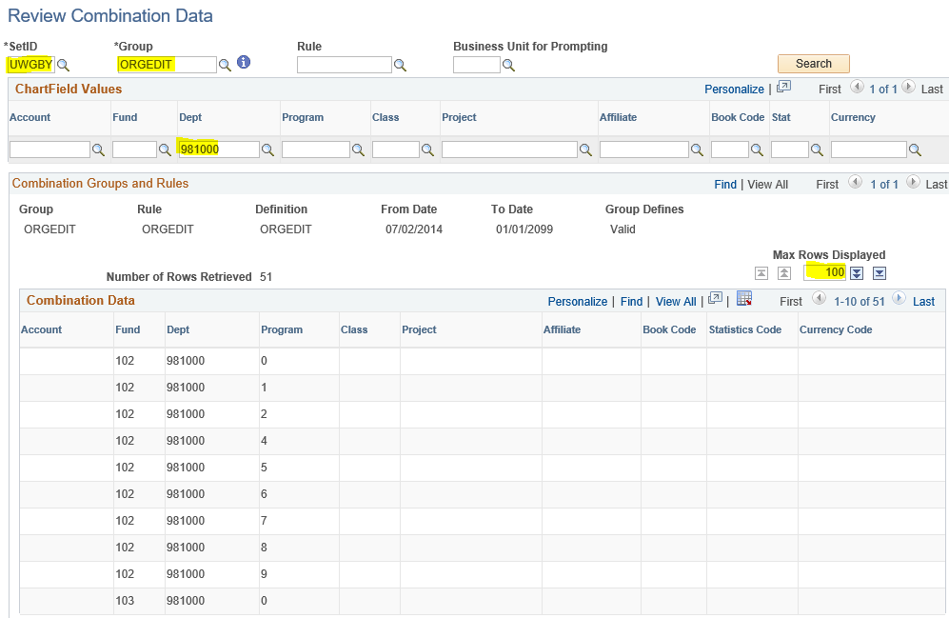

Clearing Accounts
 | Institution | UW Fund | Dept ID
Madison | MSN | 101 | 98-8900
Milwaukee | MIL | 101 | 98-0100
Eau Claire | EAU | 102 | 02-4012
Green Bay | GBY | 102 | 98-1000
LaCrosse | LAC | 102 | 98-0030
Oshkosh | OSH | 102 | 30-1730
Parkside | PKS | 102 | 12-9900
Platteville | PLT | 102 | 32-3613
River Falls | RVF | 102 | 98-9800
Stevens Point | STP | 102 | 02-5035
Stout | STO | 102 | 95-0034
Superior | SUP | 102 | 02-6301
Whitewater | WTW | 102 | 30-4004
Systemwide | SYS | TBD | TBD

